Read me
Public profit and emission database
By Robert Höglund www.marginalcarbon.com robert@marginalcarbon.com CC BY 4.0. See the different sheets for 2022, 2021 and 2020. You can make your own filter view and sort the document by making your own copy. We manually collected emission data for the top 250 companies (found Scope 1-2 data for 209 of them in 2022). Economic data from Forbes Global 2000 List (2021,2022 and 2023 version with 2020,2021,2022 data). The first use of the updated dataset was the Carbon Gap analysis on who can pay for carbon removal: https://carbongap.org/who-can-pay-for-carbon-removal Which itself was an update on the Bridging the ambition gap report using 2020 data. (Since the data is manually collected there will be mistakes in the data that we haven't caught, please comment if you see one.) Our analysis shows that low-emission/ high-profit companies can afford to take full responsibility for their emissions, implementing a credible internal carbon fee. But all sectors can afford to remove their final 10% emissions with permanent CDR. High-emissions/ low-profit companies might contribute the most to CDR in absolute terms, even if it represents a small part of their current emissions, and a low dollar amount per tonne emitted. Thank you to Vivek Jain for help with data gathering, and Tank Chen for quality control. Latest updated 20 December 2023 | 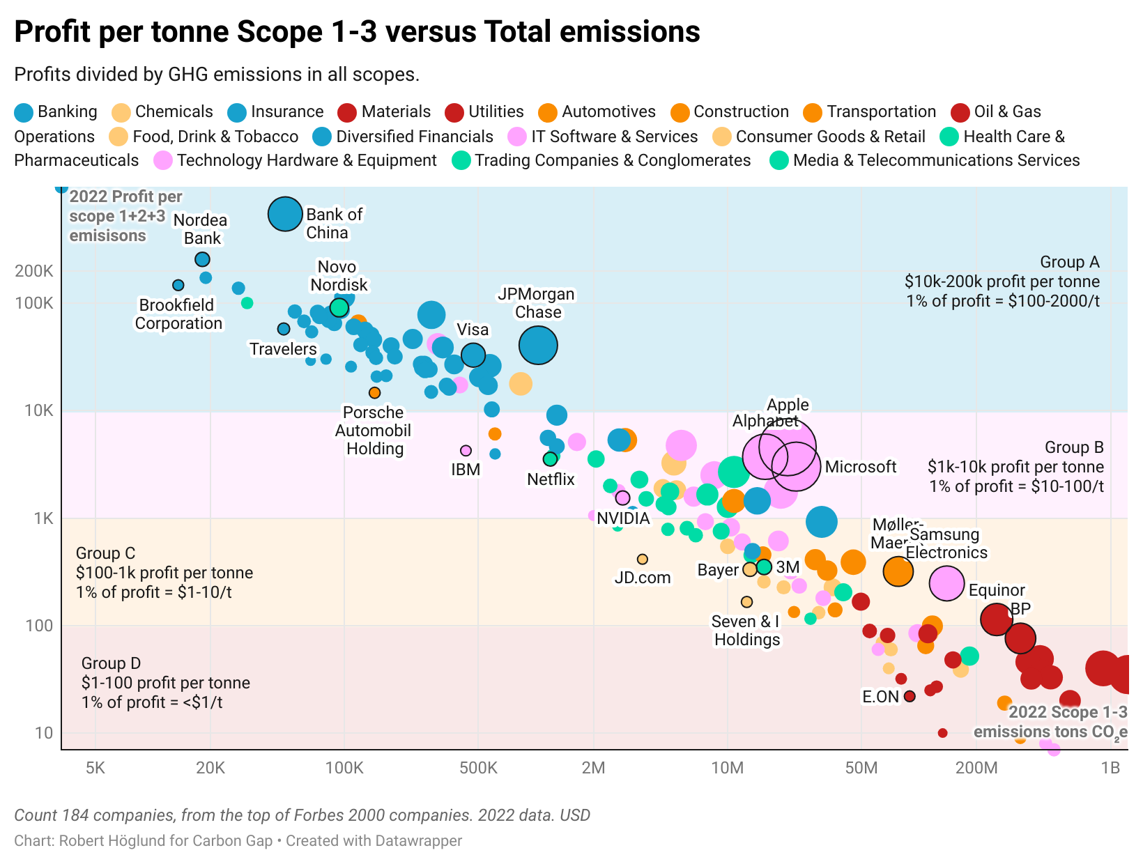 | 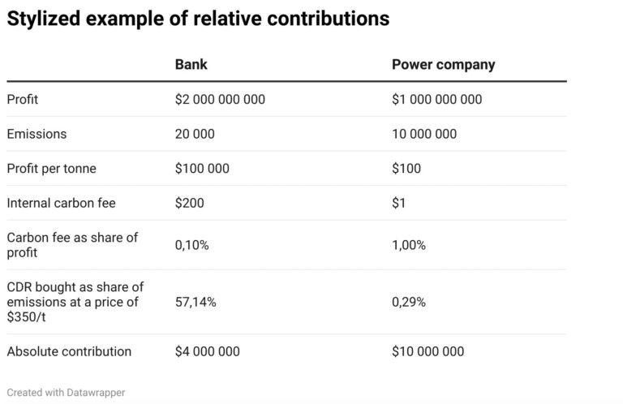
Disclaimer: The information on this site is provided for general informational purposes only. While we strive to ensure the accuracy of the information we publish, we make no guarantees as to the accuracy, completeness, timeliness, or reliability of any information provided on this site. The information on this site is obtained from a variety of sources, including open sources and self-reported data, and we cannot verify the accuracy or reliability of all information provided. The information on this site should not be relied upon for any purpose without independent verification. Any reliance you place on such information is therefore strictly at your own risk. We make no representations or warranties of any kind, express or implied, about the completeness, accuracy, reliability, suitability, or availability with respect to the information on this site or the information, products, services, or related graphics contained on this site for any purpose. In no event will we be liable for any loss or damage including without limitation, indirect or consequential loss or damage, or any loss or damage whatsoever arising from loss of data or profits arising out of, or in connection with, the use of this site

